Construction (Rock flume)
SECTION 4 – IN-PROCESS INSPECTIONS Insert additional or delete unused rows as required. Include reference to specification.
Item No. | Activity/ Task Description | Specification/Drawing Reference | Acceptance Criteria | Verifying Document | Frequency | Inspection Type (Visual, other) | Inspection |  | Inspection Point/ Signature & Date
 |  |  |  |  |  |  | Key | By (Role Key) | Downer Signature | Date | Customer Requirements Verification Record / Location
4.1 | Excavation | 80510096-02B-900-C241 | 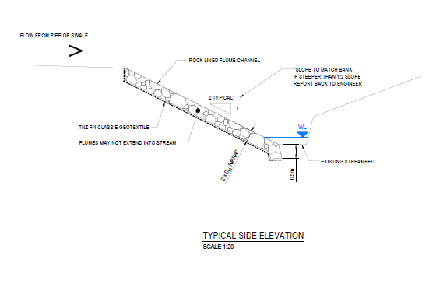 Slope to match bank, report back to engineer If steeper than 1:2 slope | Photos As-builts | during construction | Witness Point | W | SV /SE
4.2 | Geotextile | 80510096-02B-900-C241 | Layer of Geotextile(TNZ F/4 CLASS E GEOTEXTILE) to be placed at the base of the flume excavation | Photos | Continous | Witness Point | W | SE
4.3 | Rip-Rap | Project Specification Cl 16.3.35 | Rip Rap Lined Drain shall consist of sound durable rock not less than 150mm mean rock diameter (d50) and 300mm thick liner properly bedded on geotextile protected prepared drain. | Photos As Builts | during construction | Witness Point | W | SE

